Print Page 1
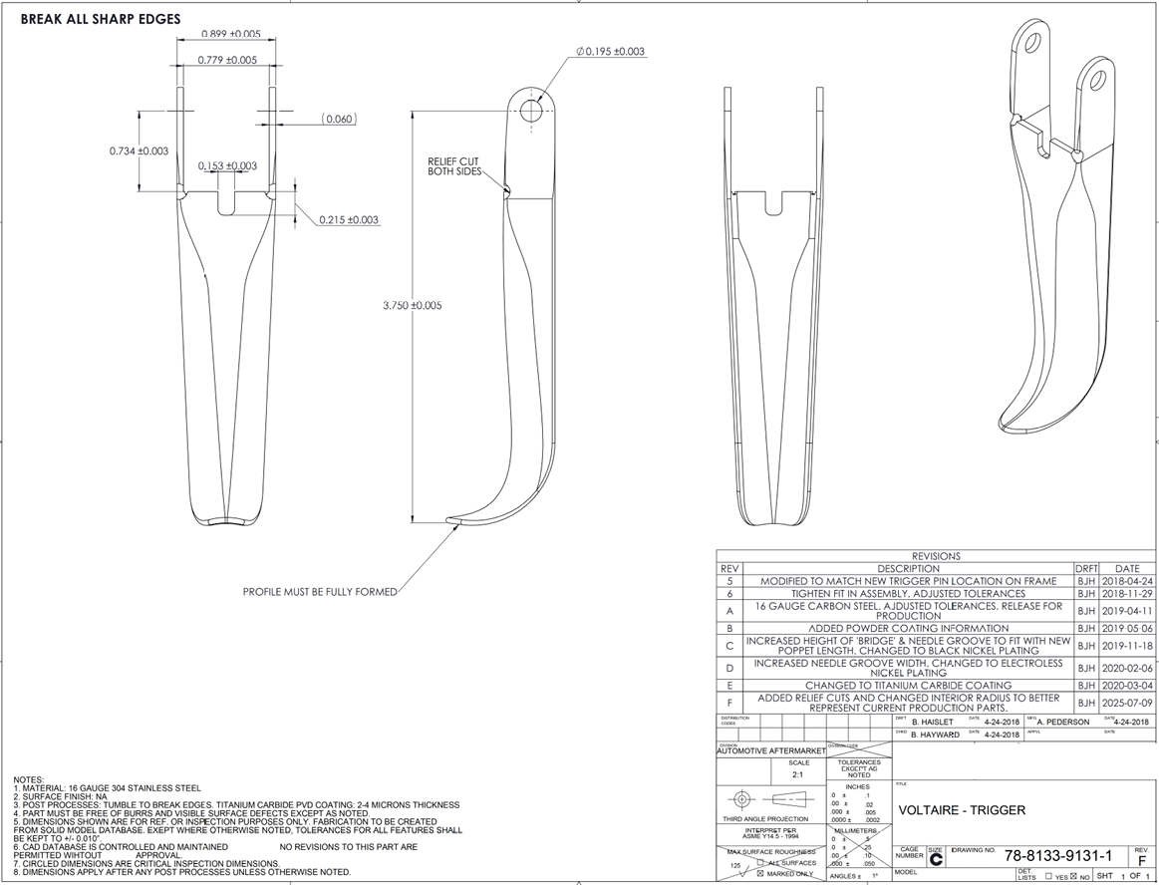
3
4
1

5
8

6

7

2

Tolerance Table
